Tabelle1
Parfüm Mix

Karton | Beschreibung |  | Inhalt |  | Menge:
___________________________________________________________________________________________

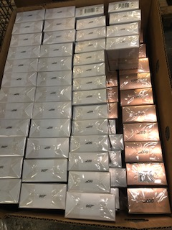
1 | 007 gold |  | 50ml |  | 16
 | 007 gold | schwarz | 50 ml |  | 18
 | 007 silber |  | 50 ml |  | 62
 | 007 silber |  | 30 ml |  | 17

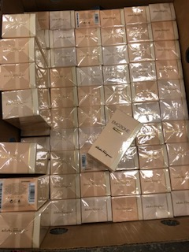
 |  |  |  |  | 113

2 | Ferragamo Emozionale |  | 30 ml |  | 68
 | Yoppy |  | 30 ml |  | 20
 | Betty Barclay pure Pastelle 30 ml |  |  |  | 15

 |  |  |  |  | 103

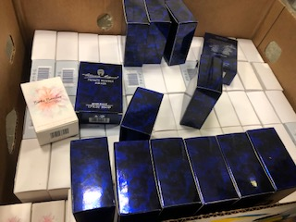
3 | Esprit Spirit |  | 50 ml |  | 49
 | Betty BarclayBeautiful Eden 20 ml |  |  |  | 17
 | Aigner Priva |  | 50 ml |  | 13
 | Smash Taccini |  | 50 ml |  | 36
 | Escada Iland Kiss |  | 30 ml |  | 9

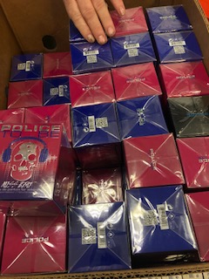
 |  |  |  |  | 124

4 | Policer To Be |  | 40 ml |  | 54
 | Ferrari Racing Edt |  | 75 ml |  | 8
 | Aigner Limited EDT |  | 50 ml |  | 8

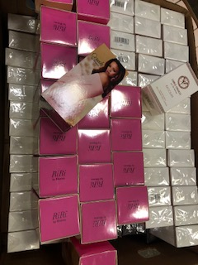
 |  |  |  |  | 70

5 | Carlo Colucci schw. |  | 30 ml |  | 44
 | Carlo Colucci DCCLIII |  | 30 ml |  | 65
 | Crush Rihanna EDP |  | 30 ml |  | 20
 | Elzabeth Arden Onyl NYC 75 ml |  |  |  | 12

 |  |  |  |  | 141

6 | Engush Garden White Tea 200 ml |  |  |  | 20
 | Biotherm Bodymilch Leau 100 ml |  |  |  | 3
 | Aigner Body |  | 200 ml |  | 2
 | Crush Rhianna |  | 30 ml |  | 2
 | Escada Born |  | 30 ml |  | 3
 | Escada Fiesta |  | 30 ml |  | 2
 | Michalsky Summer |  | 25 ml |  | 3
 | HYD Ges. Crem |  |  |  | 4
 | Iceberg Man EDT |  | 30 ml |  | 4
 | Bithc EDT |  | 30 ml |  | 3
 | Bruno Banani Hot for Every 50 ml |  |  |  | 3
 | Urike de Vartens Voy |  | 100 ml |  | 2
 | Calvin Klein Beauty |  | 50 ml |  | 2
 | Playful |  | 30 ml |  | 2
 | Betty Barclay Tender |  | 20 ml |  | 2
 | Hattric / AS |  | 200 ml |  | 4
 | Diverse |  |  |  | 23
 | Victoria Secvret |  | 250 ml |  | 6

 |  |  |  |  | 90

7 | Duschgel Aigner Jaguar Ferrari |  |  |  | 12
 | 007 Sets |  |  |  | 2
 | Set Brench |  |  |  | 8
 | Set Brench |  |  |  | 2
 |  |  |  |  | 24

8 | Brench Set |  |  |  | 16

9 | Elizabeth Arden Green Tea 100 ml |  |  |  | 25
 | S. de Scherrer EDT Homme 50 ml |  |  |  | 50
 | Dalissime |  | 30 ml |  | 22
 | Len van Broox |  | 30 ml |  | 20
 |  |  |  |  | 117
 |  |  |  |  | 117

10 | van Broox |  | 30 ml |  | 26
 | Mad Potion |  | 30 ml |  | 7
 | Cobochard EDT |  | 30 ml |  | 7
 | Shawn Mendes |  | 30 ml |  | 20
 | Maroussia |  | 100 ml |  | 6
 | Full Play |  | 50 ml | Otto Kern | 5
 | Eau it s Fresj |  | 100 ml |  | 4
 | Spring Reign |  | 30 ml | Katy Perry | 3
 | Eau my Secret |  | 100 ml |  | 4
 | Rebel at Heart |  | 50 ml |  | 4
 | River |  | 100 ml |  | 3
 | Esprit Woman |  | 30 ml |  | 6
 | Essenz de Patchouli |  | 100 ml |  | 4

 |  |  |  |  | 99

11 | Alyssa Ashley Tiare & Alm. |  | 50 ml |  | 5
 | Alyssa Ashley Aloe |  | 50ml |  | 4

 | Adidas UPFT |  | 30 ml |  | 7
 | Dolce Gabbana |  | 30 ml |  | 7
 | Adidas UPFT |  | 30 ml |  | 6
 | Starwars |  | 50 ml |  | 4
 | Life Esprit |  | 15 ml |  | 4
 | 007 Seven |  | 50 ml |  | 4
 | Endless Light |  | 40 ml |  | 4
 | New York |  | 60 ml |  | 9
 | Star Wars |  | 50 ml |  | 2
 | Essnetial Garden |  | 30 ml |  | 7
 | Laura Biaggiotti |  | 50 ml |  | 2
 | Espril Feel Happy |  | 30 ml |  | 3
 | Christina Aguillera |  | 50 ml |  | 3
 | Esprit Life |  | 30 ml |  | 5
 | Ema Luise |  | 50 ml |  | 3
 | Signature |  | 30 ml |  | 3
 | Miss Fenjala |  | 50 ml |  | 3
 | Robero Torretta |  | 100 ml |  | 2
 | Laguna Salvadore Dali |  | 30 ml |  | 2
 | Noami Campbell |  | 15 ml |  | 2
 | Mad Dox Hills |  | 60 ml |  | 2
 | tom Tailer |  | 50 ml |  | 2
 | Only NYC |  | 75 ml |  | 2
 | Christina Aguillera |  | 30 ml |  | 2
 |  |  |  |  | 99
12 | Diverse |  |  |  | 10
 | diverse |  |  |  | 10
 | N8 Soirre |  |  |  | 2
 | N6 Captif |  |  |  | 1
 | N2 |  |  |  | 7
 | Adidas UPLFT |  | 30 ml |  | 3
 | Bruno Banani |  | 40 ml |  | 2
 | Elizabeth Arden |  | 100 ml | Sunflower | 2

 |  |  |  |  | 37

 | total |  |  |  | 1,033

